Ref1
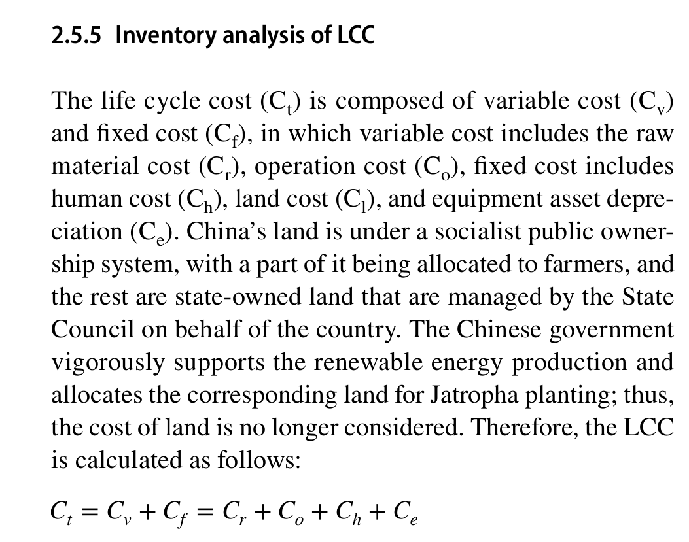
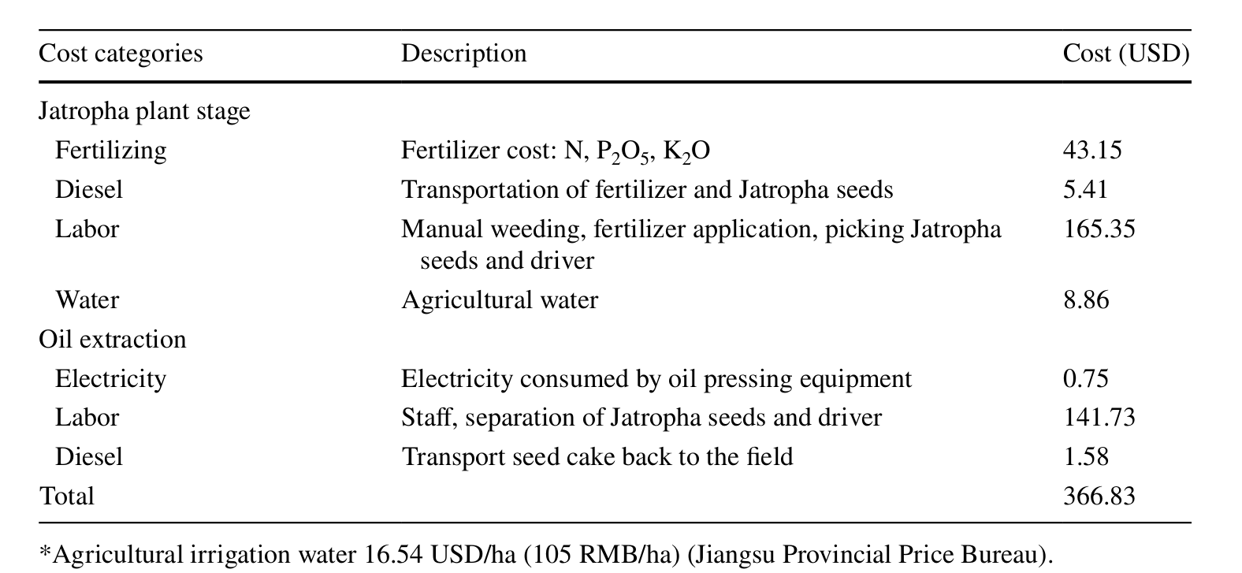
Life cycle assessment and life cycle cost analysis of Jatropha biodiesel production in China

Ref2
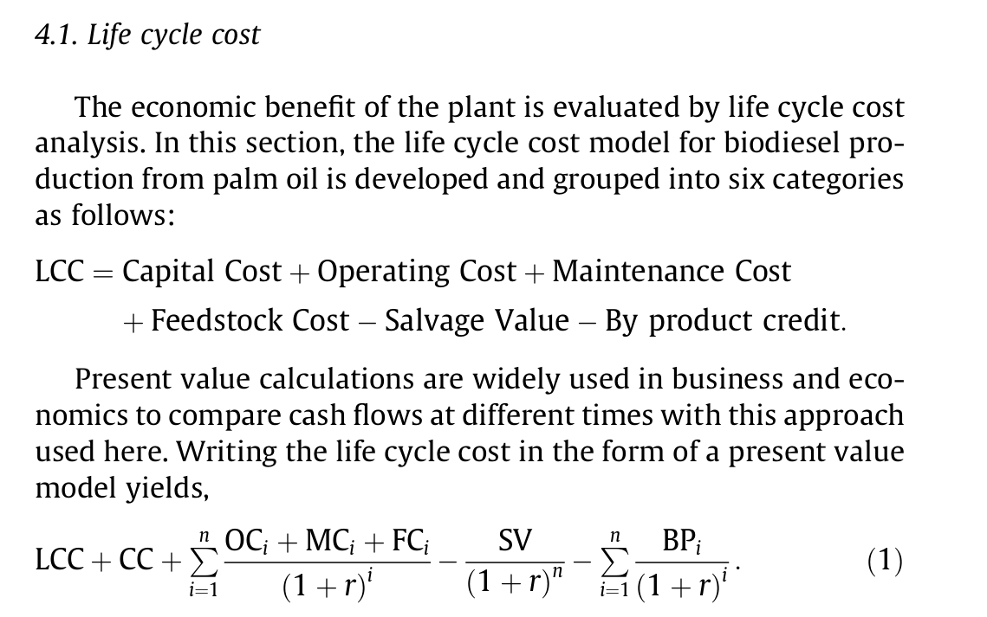
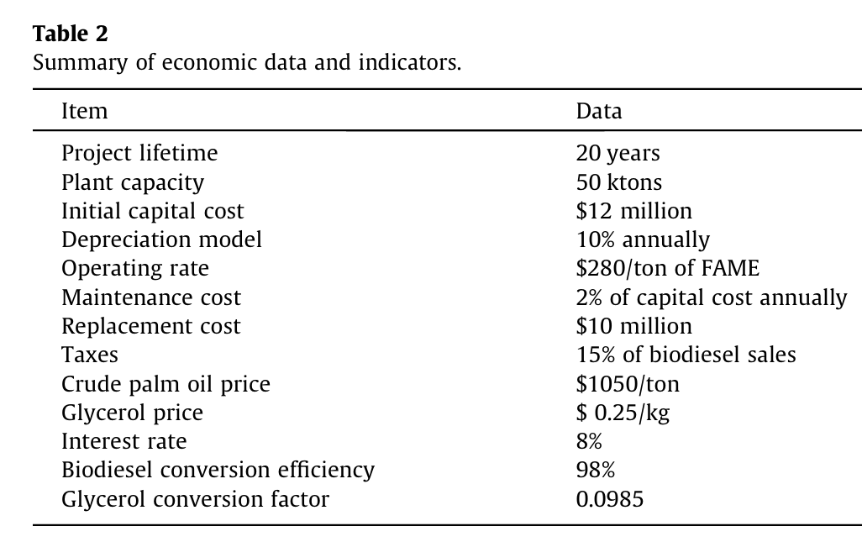
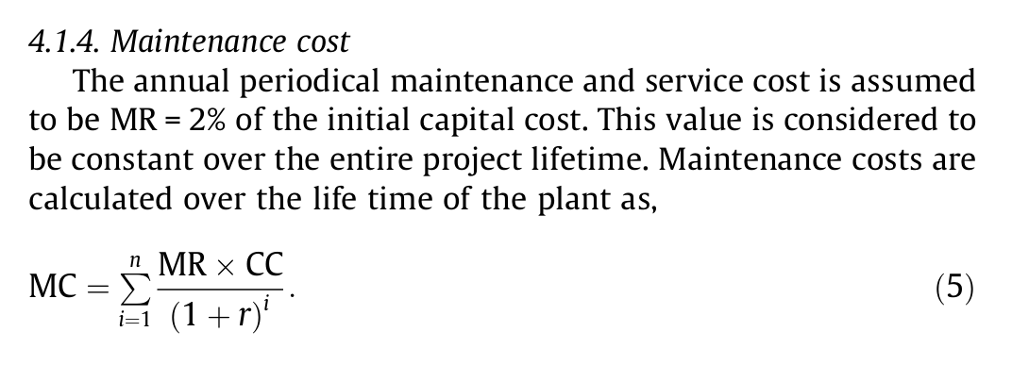
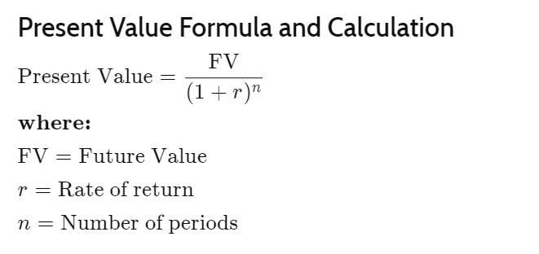
Life cycle cost and sensitivity analysis of palm biodiesel production

Ref3
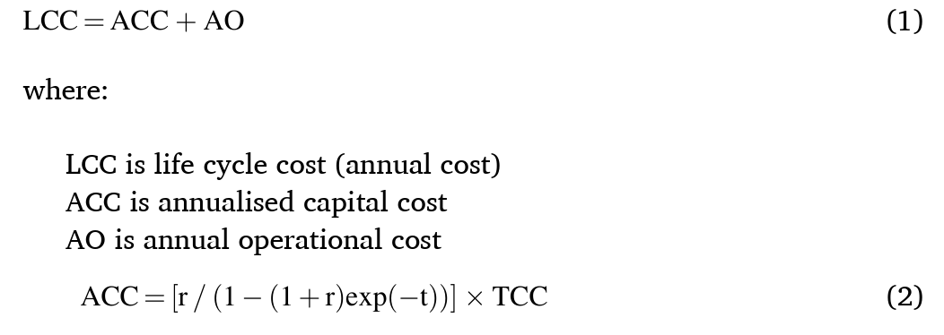
Energy generation from palm oil mill effluent: A life cycle cost-benefit analysis and policy insights

Ref4
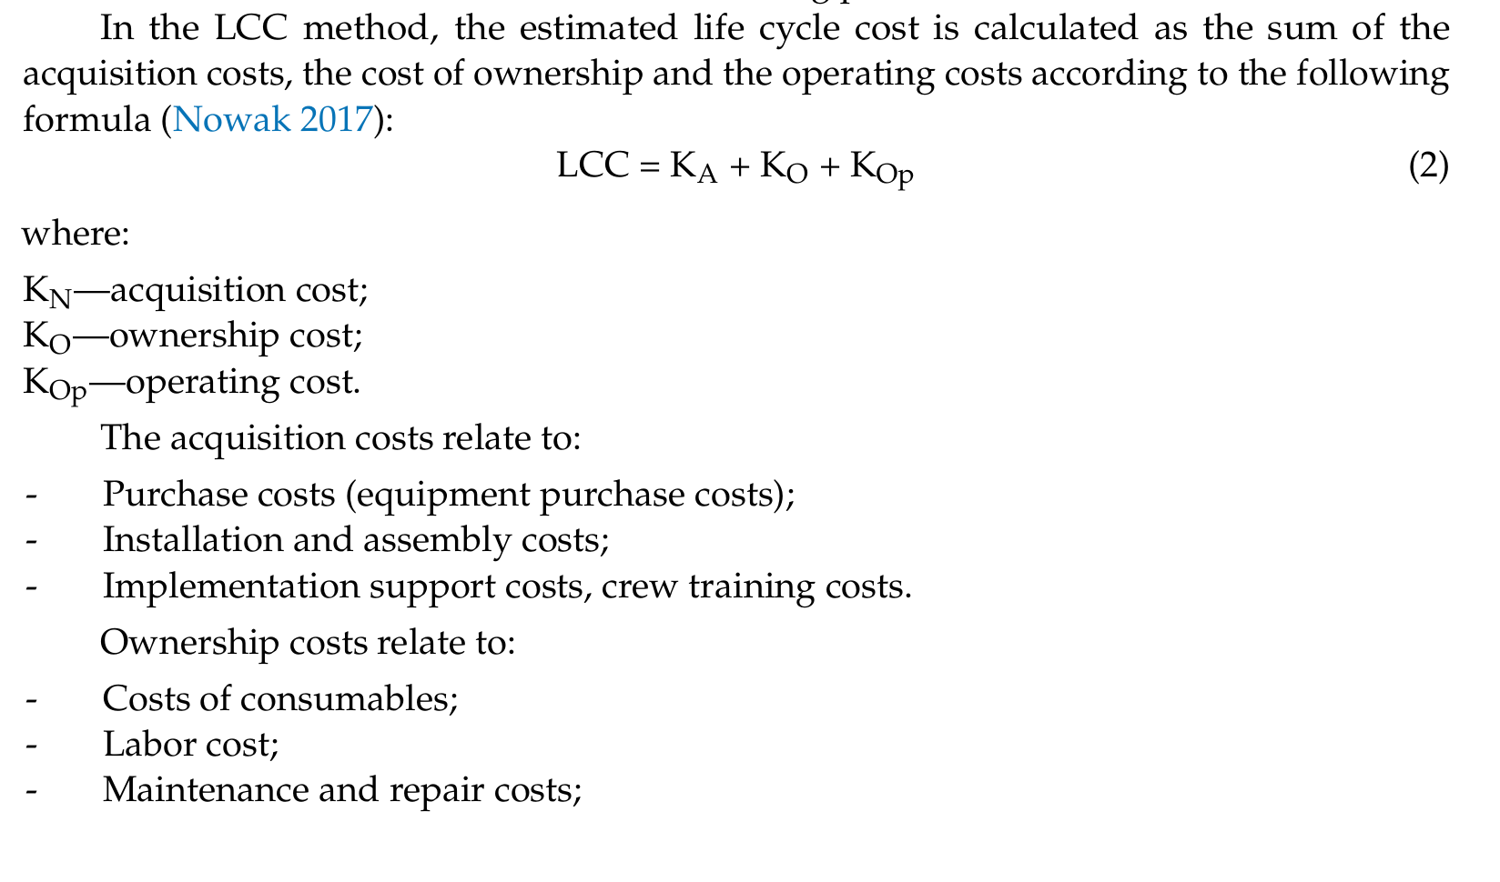
AModelofProduct Life Cycle Cost Management Based on the Example of the Spartan Multimedia Shooting Training Syste

